DATOS DE EQUIPOS
DATA SHEETS
TRANSCEIVER: Smartoptics QSFP-DD TQD013-TUNC-SO
ROADM: D7000-ROADM-09T
EDFA: DCP-F-A22

TRANSCEIVER (Open ZR+) |  | ROADM |  | EDFA |  | MUX/DEMUX |  | FIBRA |  |  | No linealidades |  | MODULO COMPENSADOR
Tx |  | VOA ajustable | - (0 a 19) dB | Figura de Ruido(dB) | 5.5 | Perdida de insercion de entrada maxima(dB) | -6 | Atenuación 1 (dB/km) | 0.21 | Dependen del tramo | Cantidad de spans entre Tx y Rx | 1 | Longitud (km) | 80
Potencia Minima (dBm) | 1 | Ganancia del preamplificador(dB) | 22 | Ganancia maxima del amplificador(dB) | 22 | PMD maximo(ps/nm) | 0.5 | Atenuación 2 (dB/km) | 0.23 |  | γ (Coef. de propagación no lineal en (W.km)^-1) | 0.86 | D.L (ps/nm) | -1340
Potencia Maxima (dBm) | 11 | Figura de Ruido preamplificador(dB) | 8 | Potencia Maxima de Salida(dBm) | 22.5 |  |  | Area efectiva para SMF (micrometro^2) | 85 |  | |β2| (s^2/km) | -22.94218505 | Dispersión Cromática (ps/(nm.km)) | -16.75
OSNR inband (dB) | 38 | Perdida de insercion de entrada(dB) | 5 | Sensibilidad maxima de entrada (dBm) | -34 |  |  | Indice no lineal (ñ) | 1.80E-08 |  | Número de canales en el enlace | 40 | Pérdida de inserción | 7,2 dB
OSNR out of band (dB) | 42 | Potencia de saturacion(dBm) | 15 | VOA ajustable | - (0 a 19) dB |  |  | Dispersión Cromática (ps/(nm.km)) @ 1550nm | 18 |  | Tasa de símbolos (Baudios) | 3.014E+10 | PMD (ps) | 0.5
Dispersion cromatica (ps/nm) (D*L) | 100000 | Ganancia optica Booster Amplifier (dB) | 18 |  |  |  |  | λ0 (Dispersión cero) | 1310 | 1300-1324 nm | Ancho de banda del canal (Hz) | 1.25E+10
B0 | 1.25E+10 | Figura de Ruido booster(dB) | 6.5 |  |  |  |  | Pendiente en λ0 (Dispersión cero) (ps/(nm^2.km)) | 0.092
GSNR a 0,1nm (dB) | 35.18 | Sensibilidad máxima entrada A/D | -20 |  |  |  |  | Coeficiente PMD (ps/√km) | 0.1
Rx |  | Sensibilidad maxima de entrada line(dBm) | -35
Sensibilidad (dBm) | -32 | Potencia de salida line | -7
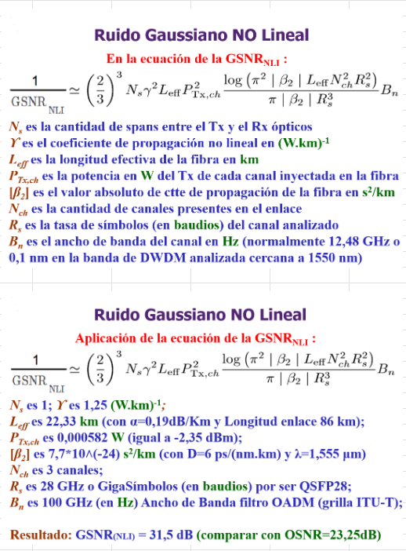
BER |  | Potencia de salida A/D | -18
Z (Q) |  | Rango de frecuencias (THz) | 191.35-196.1
MOD (NRZ) |  | Rango de longitudes de onda (nm) | 1528-1567.5
B filtro (GHz) |  | Potencia de saturación Booster (dBm) | -11.021
Required OSNR (dB) @ Prx (dBm) | 11.5 dB @ -20 dBm | Potencia de saturación Preamplificador (dBm) | -15.021 | son 48 canales pero solo 40 llevan potencia

PP - OSNR - GSNR
 | PRESUPUESTO DE POTENCIA |  |  |  |  | FIGURA DE RUIDO (dB) | OSNR CANAL (dB) | OSNR CANAL EN VECES | OSNR ACUMULADA EN VECES | OSNR ACUMULADA (dB) | 1/GSNR_NL | GSNR_NL EN VECES | GSNR_NL (dB) | GSNR_NL ACUMULADA EN VECES | GSNR_NL ACUMULADA (dB)

Tramo: Rio Gallegos - Bahía Blanca | Distancia (Km) | Atenuación por km | Amplificación/Atenuación (dB) | Potencia acumulada (dBm) | 100 Gbps |  |  |  |  |  |  |  |  |  |  |  |  | B0 es el AB equivalente del ruido

Rio Gallegos | Transceiver + ROADM
Transceiver |  |  | 1 | 1 |  | 38 | 38 | 6309.573445 | 6309.573445 | 38 |  | 3296.097122 | 35.18 | 3296.097122 | 35.18
Mux/Demux |  |  | -6 | -5
A/D - Line out (ROADM 2) |  |  | -5 | -10
VOA |  |  | -4.8 | -14.8
Amplificador Booster |  |  | 18 | 3.2 |  | 6.5 | 36.63089987 | 4603.519499 | 2661.595987 | 34.25142133 | 0.00042919621 | 2329.93672 | 33.67344126 | 1365.02871 | 31.35141786
Fibra | 87 | -0.235 | -20.445 | -17.245

Coy Aike | Agregado
VOA |  |  | -1.555 | -18.8
EDFA |  |  | 22 | 3.2 |  | 5.5 | 33.63089987 | 2307.225203 | 1235.886965 | 30.91978752 | 0.00042491700 | 2353.400787 | 33.71695894 | 863.9291515 | 29.36478129
Fibra | 75 | -0.235 | -17.625 | -14.425

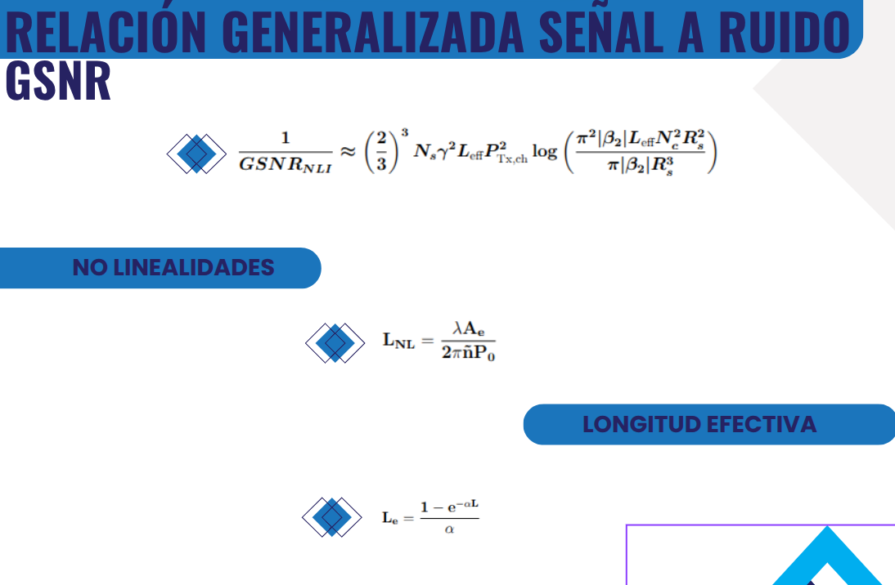
Cañadon de las Vacas | Agregado
VOA |  |  | -4.375 | -18.8
EDFA |  |  | 22 | 3.2 |  | 5.5 | 33.63089987 | 2307.225203 | 804.7923459 | 29.05683837 | 0.00042625309 | 2346.024038 | 33.70332458 | 586.5060096 | 27.68272466
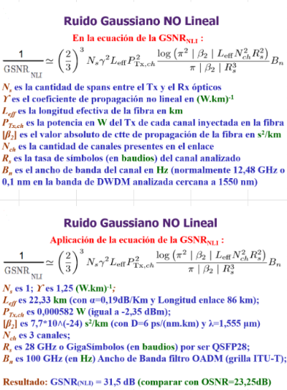
Fibra | 78 | -0.235 | -18.33 | -15.13

Luis Piedrabuena
VOA (ROADM 1) |  |  | -3.67 | -18.8
Preamplificador (ROADM 1) |  |  | 22 | 3.2 |  | 8 | 31.13089987 | 1297.448078 | 496.6968908 | 26.96091441
Line in - A/D (ROADM 1) |  |  | -5 | -1.8
A/D - Line out (ROADM 2) |  |  | -5 | -6.8
VOA |  |  | -8 | -14.8
Amplificador Booster (ROADM 2) |  |  | 18 | 3.2 |  | 6.5 | 36.63089987 | 4603.519499 | 448.3248645 | 26.51592826 | 0.00035482999 | 2818.251091 | 34.49979684 | 515.8400546 | 27.12515062
Fibra | 34 | -0.235 | -7.99 | -4.79

Lago Posadas | Agregado
VOA |  |  | -14.01 | -18.8
EDFA |  |  | 22 | 3.2 |  | 5.5 | 33.63089987 | 2307.225203 | 375.3829185 | 25.74474507 | 0.00042990450 | 2326.098022 | 33.66628012 | 422.2099491 | 26.25528463
Fibra | 90 | -0.235 | -21.15 | -17.95

Puerto San Julian
VOA (ROADM 1) |  |  | -0.85 | -18.8
Preamplificador (ROADM 1) |  |  | 22 | 3.2 |  | 8 | 31.13089987 | 1297.448078 | 291.1470717 | 24.64112426
Line in - A/D (ROADM 1) |  |  | -5 | -1.8
A/D - Line out (ROADM 2) |  |  | -5 | -6.8
VOA |  |  | -8 | -14.8
Amplificador Booster (ROADM 2) |  |  | 18 | 3.2 |  | 6.5 | 36.63089987 | 4603.519499 | 273.828912 | 24.37479301 | 0.00042442244 | 2356.14312 | 33.72201667 | 358.0491903 | 25.53942696
Fibra | 74 | -0.235 | -17.39 | -14.19

El Salado | Agregado
VOA |  |  | -4.61 | -18.8
EDFA |  |  | 22 | 3.2 |  | 5.5 | 33.63089987 | 2307.225203 | 244.7778849 | 23.88772178 | 0.00042012187 | 2380.261701 | 33.76624709 | 311.2322919 | 24.93084651
Fibra | 67 | -0.235 | -15.745 | -12.545

Tres Cerros | Agregado
VOA |  |  | -6.255 | -18.8
EDFA |  |  | 22 | 3.2 |  | 5.5 | 33.63089987 | 2307.225203 | 221.2997735 | 23.44980969 | 0.00041936721 | 2384.54504 | 33.7740553 | 275.2999698 | 24.39806164
Fibra | 66 | -0.235 | -15.51 | -12.31

Estancia La Calandria | Agregado
VOA |  |  | -6.49 | -18.8
EDFA |  |  | 22 | 3.2 |  | 5.5 | 33.63089987 | 2307.225203 | 201.9313313 | 23.05203709 | 0.00042739322 | 2339.765703 | 33.69172371 | 246.317878 | 23.91495934
Fibra | 81 | -0.235 | -19.035 | -15.835

Jaramillo
VOA (ROADM 1) |  |  | -2.965 | -18.8
Preamplificador (ROADM 1) |  |  | 22 | 3.2 |  | 8 | 31.13089987 | 1297.448078 | 174.7359048 | 22.42382153
Line in - A/D (ROADM 1) |  |  | -5 | -1.8
A/D - Line out (ROADM 2) |  |  | -5 | -6.8
VOA |  |  | -8 | -14.8
Amplificador Booster (ROADM 2) |  |  | 18 | 3.2 |  | 6.5 | 36.63089987 | 4603.519499 | 168.3459918 | 22.2620278 | 0.00030725574 | 3254.617795 | 35.12499995 | 228.9875119 | 23.59811798
Fibra | 25 | -0.235 | -5.875 | -2.675

Caleta Olivia
VOA (ROADM 1) |  |  | -16.125 | -18.8
Preamplificador |  |  | 22 | 3.2 |  | 8 | 31.13089987 | 1297.448078 | 149.0115071 | 21.73219807
Line in - A/D (ROADM 1) |  |  | -5 | -1.8
A/D - Line out (ROADM 2) |  |  | -5 | -6.8
VOA |  |  | -8 | -14.8
Amplificador Booster (ROADM 2) |  |  | 18 | 3.2 |  | 6.5 | 36.63089987 | 4603.519499 | 144.3393799 | 21.59384835 | 0.00042836609 | 2334.451829 | 33.68184917 | 208.5324616 | 23.1917367
Fibra | 84 | -0.235 | -19.74 | -16.54

Comodoro Rivadavia
VOA (ROADM 1) |  |  | -2.26 | -18.8
Preamplificador (ROADM 1) |  |  | 22 | 3.2 |  | 8 | 31.13089987 | 1297.448078 | 129.8893606 | 21.13573579
Line in - A/D (ROADM 1) |  |  | -5 | -1.8
A/D - Line out (ROADM 2) |  |  | -5 | -6.8
VOA |  |  | -8 | -14.8
Amplificador Booster (ROADM 2) |  |  | 18 | 3.2 |  | 6.5 | 36.63089987 | 4603.519499 | 126.3250698 | 21.01489547 | 0.00026099715 | 3831.45948 | 35.83364237 | 197.7686313 | 22.96157408
Fibra | 19 | -0.235 | -4.465 | -1.265

Astra
VOA |  |  | -17.535 | -18.8
EDFA |  |  | 22 | 3.2 |  | 5.5 | 33.63089987 | 2307.225203 | 119.7675626 | 20.78339211 | 0.00041389859 | 2416.050781 | 33.83106058 | 182.8049229 | 22.61987887
Fibra | 60 | -0.235 | -14.1 | -10.9

Pampa Salamanca | Agregado
VOA |  |  | -7.9 | -18.8
EDFA |  |  | 22 | 3.2 |  | 5.5 | 33.63089987 | 2307.225203 | 113.857257 | 20.56360717 | 0.00043183969 | 2315.674135 | 33.64677445 | 169.4297298 | 22.28989618
Fibra | 102 | -0.235 | -23.97 | -20.77

Garayalde
VOA |  |  | 0 | -20.77
EDFA |  |  | 22 | 1.23 |  | 5.5 | 31.66089987 | 1465.851538 | 105.6510135 | 20.23873668 | 0.00017461399 | 5726.917861 | 37.57920954 | 164.5612188 | 22.16327495
Fibra | 110 | -0.235 | -25.85 | -24.62

Florentino Ameghino | Agregado
VOA |  |  | 0 | -24.62
EDFA |  |  | 22 | -2.62 |  | 5.5 | 27.81089987 | 604.0737821 | 89.92359815 | 19.53873676 | 0.00002938397 | 34032.16032 | 45.31889518 | 163.7693185 | 22.14232542
Fibra | 85 | -0.235 | -19.975 | -22.595

Rawson
VOA (ROADM 1) |  |  | 0 | -22.595
Preamplificador (ROADM 1) |  |  | 22 | -0.595 |  | 8 | 27.33589987 | 541.4894343 | 77.11699916 | 18.87150122
Line in - A/D (ROADM 1) |  |  | -5 | -5.595
A/D - Line out (ROADM 2) |  |  | -5 | -10.595
VOA |  |  | -4.205 | -14.8
Amplificador Booster (ROADM 2) |  |  | 18 | 3.2 |  | 6.5 | 36.63089987 | 4603.519499 | 75.84643872 | 18.79935194 | 0.00028587068 | 3498.085271 | 35.43830392 | 156.4450545 | 21.94361839
Fibra | 22 | -0.235 | -5.17 | -1.97

Trelew
VOA (ROADM 1) |  |  | -16.83 | -18.8
Preamplificador (ROADM 1) |  |  | 22 | 3.2 |  | 8 | 31.13089987 | 1297.448078 | 71.65747401 | 18.55261495
Line in - A/D (ROADM 1) |  |  | -5 | -1.8
A/D - Line out (ROADM 2) |  |  | -5 | -6.8
VOA |  |  | -8 | -14.8
Amplificador Booster (ROADM 2) |  |  | 18 | 3.2 |  | 6.5 | 36.63089987 | 4603.519499 | 70.55916402 | 18.48553427 | 0.00042151675 | 2372.384945 | 33.75185159 | 146.7666439 | 21.66627363
Fibra | 69 | -0.235 | -16.215 | -13.015

Puerto Madryn
VOA (ROADM 1) |  |  | -5.785 | -18.8
Preamplificador (ROADM 1) |  |  | 22 | 3.2 |  | 8 | 31.13089987 | 1297.448078 | 66.919859 | 18.25555017
Line in - A/D (ROADM 1) |  |  | -5 | -1.8
A/D - Line out (ROADM 2) |  |  | -5 | -6.8
VOA |  |  | -8 | -14.8
Amplificador Booster (ROADM 2) |  |  | 18 | 3.2 |  | 6.5 | 36.63089987 | 4603.519499 | 65.96100541 | 18.19287267 | 0.00043159615 | 2316.980824 | 33.64922439 | 138.023683 | 21.39953612
Fibra | 100 | -0.235 | -23.5 | -20.3

Arroyo Verde
VOA |  |  | 0 | -20.3
EDFA |  |  | 22 | 1.7 |  | 5.5 | 32.13089987 | 1633.390356 | 63.4007025 | 18.0209407 | 0.00019949977 | 5012.537157 | 37.00057605 | 134.3249524 | 21.28156695
Fibra | 49 | -0.235 | -11.515 | -9.815

Sierra Grande
VOA (ROADM 1) |  |  | -8.985 | -18.8
Preamplificador (ROADM 1) |  |  | 22 | 3.2 |  | 8 | 31.13089987 | 1297.448078 | 60.44692164 | 17.81374189
Line in - A/D (ROADM 1) |  |  | -5 | -1.8
A/D - Line out (ROADM 2) |  |  | -5 | -6.8
VOA |  |  | -8 | -14.8
Amplificador Booster (ROADM 2) |  |  | 18 | 3.2 |  | 6.5 | 36.63089987 | 4603.519499 | 59.6635047 | 17.75708761 | 0.00043259256 | 2311.644011 | 33.63920954 | 126.9482468 | 21.03626708
Fibra | 110 | -0.235 | -25.85 | -22.65

Las Grutas
VOA |  |  | 0 | -22.65
EDFA |  |  | 22 | -0.65 |  | 5.5 | 29.78089987 | 950.8017819 | 56.14063871 | 17.49277349 | 0.00004276934 | 23381.23527 | 43.68867452 | 126.2627044 | 21.01275087
Fibra | 18 | -0.235 | -4.23 | -4.88

San Antonio Oeste
VOA (ROADM 1) |  |  | -13.92 | -18.8
Preamplificador (ROADM 1) |  |  | 22 | 3.2 |  | 8 | 31.13089987 | 1297.448078 | 53.81218304 | 17.30880611
Line in - A/D (ROADM 1) |  |  | -5 | -1.8
A/D - Line out (ROADM 2) |  |  | -5 | -6.8
VOA |  |  | -8 | -14.8
Amplificador Booster (ROADM 2) |  |  | 18 | 3.2 |  | 6.5 | 36.63089987 | 4603.519499 | 53.19042122 | 17.2583343 | 0.00042491700 | 2353.400787 | 33.71695894 | 119.8334971 | 20.78578234
Fibra | 75 | -0.235 | -17.625 | -14.425

Nuevo Leon | Agregado
VOA |  |  | -4.375 | -18.8
EDFA |  |  | 22 | 3.2 |  | 5.5 | 33.63089987 | 2307.225203 | 51.99180989 | 17.15934936 | 0.00043011669 | 2324.950476 | 33.66413706 | 113.9597401 | 20.5675145
Fibra | 91 | -0.235 | -21.385 | -18.185

San Javier
VOA (ROADM 1) |  |  | -0.615 | -18.8
Preamplificador (ROADM 1) |  |  | 22 | 3.2 |  | 8 | 31.13089987 | 1297.448078 | 49.98864671 | 16.9887138
Line in - A/D (ROADM 1) |  |  | -5 | -1.8
A/D - Line out (ROADM 2) |  |  | -5 | -6.8
VOA |  |  | -8 | -14.8
Amplificador Booster (ROADM 2) |  |  | 18 | 3.2 |  | 6.5 | 36.63089987 | 4603.519499 | 49.45166155 | 16.94180888 | 0.00032561213 | 3071.138704 | 34.87299431 | 109.8823709 | 20.40928021
Fibra | 28 | -0.235 | -6.58 | -3.38

Viedma
VOA (ROADM 1) |  |  | -15.42 | -18.8
Preamplificador (ROADM 1) |  |  | 22 | 3.2 |  | 8 | 31.13089987 | 1297.448078 | 47.63603507 | 16.77935606
Line in - A/D (ROADM 1) |  |  | -5 | -1.8
A/D - Line out (ROADM 2) |  |  | -5 | -6.8
VOA |  |  | -8 | -14.8
Amplificador Booster (ROADM 2) |  |  | 18 | 3.2 |  | 6.5 | 36.63089987 | 4603.519499 | 47.14815807 | 16.73464731 | 0.00043031794 | 2323.86312 | 33.66210544 | 104.9212377 | 20.20863405
Fibra | 92 | -0.235 | -21.62 | -18.42

Stroeder
VOA |  |  | -0.38 | -18.8
EDFA |  |  | 22 | 3.2 |  | 5.5 | 33.63089987 | 2307.225203 | 46.20397952 | 16.64679383 | 0.00042836609 | 2334.451829 | 33.68184917 | 100.4084118 | 20.01770098
Fibra | 84 | -0.235 | -19.74 | -16.54

Pedro Luro
VOA |  |  | -2.26 | -18.8
EDFA |  |  | 22 | 3.2 |  | 5.5 | 33.63089987 | 2307.225203 | 45.29687438 | 16.56068235 | 0.00040639540 | 2460.657751 | 33.91051213 | 96.4718289 | 19.84400512
Fibra | 54 | -0.235 | -12.69 | -9.49

Teniente Origone
VOA |  |  | -9.31 | -18.8
EDFA |  |  | 22 | 3.2 |  | 5.5 | 33.63089987 | 2307.225203 | 44.42470113 | 16.47624515 | 0.00042442244 | 2356.14312 | 33.72201667 | 92.67717953 | 19.66972808 | GSNR | 14.67616572
Fibra | 74 | -0.235 | -17.39 | -14.19
 |  |  |  |  |  |  |  |  |  |  |  |  |  |  |  | Se cumple que GSNR < OSNR
Bahia Blanca | ROADM + Transceiver
VOA |  |  | -4.61 | -18.8
Preamplificador |  |  | 22 | 3.2 |  | 8 | 31.13089987 | 1297.448078 | 42.95395509 | 16.33003159
Line in - A/D (ROADM 1) |  |  | -5 | -1.8
Mux/Demux |  |  | -6 | -7.8
 | Potencia requerida = -20dB |  |  | -7.8 > -20 |  | OSNR Requerida: 11.5 dB con una Prx de -20 dBm |  |  |  | 16.33003159 > 11.5 | GSNR Requerida: 11 dB |  |  |  | 19.66972808 > 11 dB

TRANSCEIVER
ROADM
EDFA

DISPERSION CROMATICA
 |  |  | DISPERSIÓN CROMATICA

 |  |  | @ 1550 nm |  | @ 1528.77 nm (196.10 THz) |  | @ 1547.72 nm (193.70 THz) |  | @ 1566.31 nm (191.40 THz)
 |  |  | D1 [ps/(nm.km)] | 18 | D2 [ps/(nm.km)] | 16.20396997 | D3 [ps/(nm.km)] | 17.32767412 | D4 [ps/(nm.km)] | 18.39807106
INICIO | DESTINO | DISTANCIA (Km) | DISPERSION TRAMO | DISPERSION ACUMULADA (ps/nm) | DISPERSION TRAMO | DISPERSION ACUMULADA (ps/nm) | DISPERSION TRAMO | DISPERSION ACUMULADA (ps/nm) | DISPERSION TRAMO | DISPERSION ACUMULADA (ps/nm)
Rio Gallegos | Coy Aike | 87 | 1566 | 1566 | 1409.75 | 1409.75 | 1507.507649 | 1507.507649 | 1600.632182 | 1600.632182
Coy Aike | Cañadon de las Vacas | 75 | 1350 | 2916 | 1215.30 | 2625.04 | 1299.575559 | 2807.083208 | 1379.85533 | 2980.487512
Cañadon de las Vacas | Luis Piedrabuena | 78 | 1404 | 4320 | 1263.91 | 3888.95 | 1351.558581 | 4158.641789 | 1435.049543 | 4415.537055
Luis Piedrabuena | Lago Posadas | 34 | 612 | 4932 | 550.93 | 4439.89 | 589.1409201 | 4747.782709 | 625.5344161 | 5041.071471
Lago Posadas | Puerto San Julian | 90 | 1620 | 6552 | 1458.36 | 5898.25 | 1559.490671 | 6307.27338 | 1655.826395 | 6696.897866
Puerto San Julian | El Salado | 74 | 1332 | 7884 | 1199.09 | 7097.34 | 1282.247885 | 7589.521265 | 1361.457259 | 8058.355125
El Salado | Tres Cerros | 67 | 1206 | 9090 | 1085.67 | 8183.00 | 1160.954166 | 8750.475431 | 1232.670761 | 9291.025886
Tres Cerros | Estancia La Calandria | 66 | 1188 | 10278 | 1069.46 | 9252.47 | 1143.626492 | 9894.101923 | 1214.27269 | 10505.29858
Estancia La Calandria | Jaramillo | 81 | 1458 | 11736 | 1312.52 | 10564.99 | 1403.541604 | 11297.64353 | 1490.243756 | 11995.54233
Jaramillo | Caleta Olivia | 25 | 450 | 12186 | 405.10 | 10970.09 | 433.191853 | 11730.83538 | 459.9517765 | 12455.49411
Caleta Olivia | Comodoro Rivadavia | 84 | 1512 | 13698 | 1361.13 | 12331.22 | 1455.524626 | 13186.36001 | 1545.437969 | 14000.93208
Comodoro Rivadavia | Astra | 19 | 342 | 14040 | 307.88 | 12639.10 | 329.2258083 | 13515.58581 | 349.5633502 | 14350.49543
Astra | Pampa Salamanca | 60 | 1080 | 15120 | 972.24 | 13611.33 | 1039.660447 | 14555.24626 | 1103.884264 | 15454.37969
Pampa Salamanca | Garayalde | 102 | 1836 | 16956 | 1652.80 | 15264.14 | 1767.42276 | 16322.66902 | 1876.603248 | 17330.98294
Garayalde | Florentino Ameghino | 110 | 1980 | 18936 | 1782.44 | 17046.58 | 1906.044153 | 18228.71318 | 2023.787817 | 19354.77076
Florentino Ameghino | Rawson | 85 | 1530 | 20466 | 1377.34 | 18423.91 | 1472.8523 | 19701.56548 | 1563.83604 | 20918.6068
Rawson | Trelew | 22 | 396 | 20862 | 356.49 | 18780.40 | 381.2088307 | 20082.77431 | 404.7575633 | 21323.36436
Trelew | Puerto Madryn | 69 | 1242 | 22104 | 1118.07 | 19898.48 | 1195.609514 | 21278.38382 | 1269.466903 | 22592.83126
Puerto Madryn | Arroyo Verde | 100 | 1800 | 23904 | 1620.40 | 21518.87 | 1732.767412 | 23011.15123 | 1839.807106 | 24432.63837
Arroyo Verde | Sierra Grande | 49 | 882 | 24786 | 793.99 | 22312.87 | 849.0560319 | 23860.20726 | 901.505482 | 25334.14385
Sierra Grande | Las Grutas | 110 | 1980 | 26766 | 1782.44 | 24095.30 | 1906.044153 | 25766.25142 | 2023.787817 | 27357.93167
Las Grutas | San Antonio Oeste | 18 | 324 | 27090 | 291.67 | 24386.97 | 311.8981342 | 26078.14955 | 331.1652791 | 27689.09695
San Antonio Oeste | Nuevo Leon | 75 | 1350 | 28440 | 1215.30 | 25602.27 | 1299.575559 | 27377.72511 | 1379.85533 | 29068.95228
Nuevo Leon | San Javier | 91 | 1638 | 30078 | 1474.56 | 27076.83 | 1576.818345 | 28954.54346 | 1674.224467 | 30743.17674
San Javier | Viedma | 28 | 504 | 30582 | 453.71 | 27530.54 | 485.1748754 | 29439.71833 | 515.1459897 | 31258.32273
Viedma | Stroeder | 92 | 1656 | 32238 | 1490.77 | 29021.31 | 1594.146019 | 31033.86435 | 1692.622538 | 32950.94527
Stroeder | Pedro Luro | 84 | 1512 | 33750 | 1361.13 | 30382.44 | 1455.524626 | 32489.38898 | 1545.437969 | 34496.38324
Pedro Luro | Teniente Origone | 54 | 972 | 34722 | 875.01 | 31257.46 | 935.6944025 | 33425.08338 | 993.4958373 | 35489.87908
Teniente Origone | Bahia Blanca | 74 | 1332 | 36054 | 1199.09 | 32456.55 | 1282.247885 | 34707.33126 | 1361.457259 | 36851.33633
Compensación necesaria (ps/(nm.km)) |  | 0 |  | 63946 |  | 67543.45 |  | 65292.66874 |  | 63148.66367
 |  | No necesitamos para ningun landa |  | Diferencia positiva |  | Diferencia positiva |  | Diferencia positiva |  | Diferencia positiva


 |  |  |  |  |  |  |  | Fórmula para calcular el coeficiente de dispersión para otro landa
 |  |  |  | Canal (ITU-T) | Frecuencia (THz) | Longitud de Onda (nm)
 |  |  |  | C14 | 191.4 | 1566.31
 |  |  |  | C15 | 191.5 | 1565.5
 |  |  |  | C16 | 191.6 | 1564.68
 |  |  |  | C17 | 191.7 | 1563.86
 |  |  |  | C18 | 191.8 | 1563.05
 |  |  |  | C19 | 191.9 | 1562.23
 |  |  |  | C20 | 192 | 1561.42
 |  |  |  | C21 | 192.1 | 1560.61
 |  |  |  | C22 | 192.2 | 1559.79
 |  |  |  | C23 | 192.3 | 1558.98
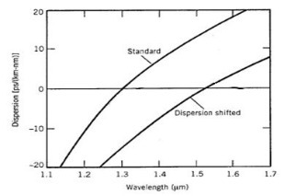
 |  |  |  | C24 | 192.4 | 1558.17
 |  |  |  | C25 | 192.5 | 1557.36
 |  |  |  | C26 | 192.6 | 1556.55
 |  |  |  | C27 | 192.7 | 1555.75
 |  |  |  | C28 | 192.8 | 1554.94
 |  |  |  | C29 | 192.9 | 1554.13
 |  |  |  | C30 | 193 | 1553.33
 |  |  |  | C31 | 193.1 | 1552.52
 |  |  |  | C32 | 193.2 | 1551.72
 |  |  |  | C33 | 193.3 | 1550.92
 |  |  |  | C34 | 193.4 | 1550.12
 |  |  |  | C35 | 193.5 | 1549.32
 |  |  |  | C36 | 193.6 | 1548.51
 |  |  |  | C37 | 193.7 | 1547.72
 |  |  |  | C38 | 193.8 | 1546.92
 |  |  |  | C39 | 193.9 | 1546.12
 |  |  |  | C40 | 194 | 1545.32
 |  |  |  | C41 | 194.1 | 1544.53
 |  |  |  | C42 | 194.2 | 1543.73
 |  |  |  | C43 | 194.3 | 1542.94
 |  |  |  | C44 | 194.4 | 1542.14
 |  |  |  | C45 | 194.5 | 1541.35
 |  |  |  | C46 | 194.6 | 1540.56
 |  |  |  | C47 | 194.7 | 1539.77
 |  |  |  | C48 | 194.8 | 1538.98
 |  |  |  | C49 | 194.9 | 1538.19
 |  |  |  | C50 | 195 | 1537.4
 |  |  |  | C51 | 195.1 | 1536.61
 |  |  |  | C52 | 195.2 | 1535.82
 |  |  |  | C53 | 195.3 | 1535.04
 |  |  |  | C54 | 195.4 | 1534.25
 |  |  |  | C55 | 195.5 | 1533.47
 |  |  |  | C56 | 195.6 | 1532.68
 |  |  |  | C57 | 195.7 | 1531.9
 |  |  |  | C58 | 195.8 | 1531.12
 |  |  |  | C59 | 195.9 | 1530.33
 |  |  |  | C60 | 196 | 1529.55
 |  |  |  | C61 | 196.1 | 1528.77

